Sheet1
CLAW MACHINE PINOUT |  | May 24 2022 | Arduino MEGA

 | OUTPUT | Pin# | Notes
 | X Step (Pul+) | 11
 | X Direction | 10
 | Y1 Step (Pul+) | 9
 | Y1 Direction | 8
 | Y2 Step (Pul+) | 7
 | Y2 Direction | 6 | (mirror of Y1)
 | Z Claw Step (Pul+) | 13
 | Z Claw Direction | 12
 | X Min | 15
 | X Max | 14
 | Y Min | 3
 | Y Max | 2
 | Z Claw Limit | 4
 | LCD i2c | 20 | SDA (cannot be changed)
 | LCD i2c | 21 | SCL (cannot be changed)
 | ClawServo Relay Power | 53
 | Stepper Enable | 52 | Wired to all steppers. LOW = Enable
 | Adressable LED Data | TBD | not implimented yet
 | Claw / Servo PWM | 5

 | INPUT (user controls) | Pin# | Notes
 | Forward (joystick) | 22
 | Backward (joystick) | 23
 | Left (joystick) | 24
 | Right (joystick) | 25
 | Up (button) | 26
 | Down (button) | 27
 | Close (button) | 28
 | Open (button) | 29
 | Start (button) | 30
 | Coin Slot (button) | 31
 | Game Mode (switch) | 16
 | Game Timer Potentiometer | A12

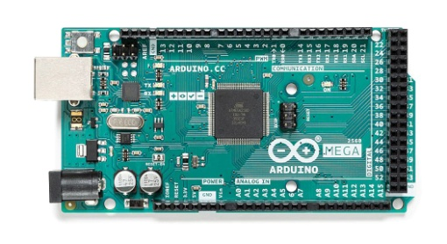
 | Servo Wiring is
 | Orange = GND
 | White = Com
 | Red = +5V

